SRMS重启步骤
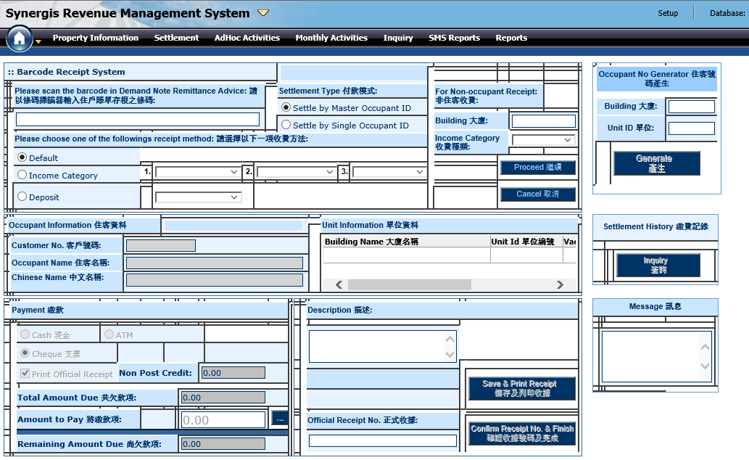
1。 按照顺序重启
SMRIDBS01 | 11.0.1.80 | MRI DB PRD
SMRIAPP01 | 11.0.1.81 | MRI APP PRD
SMRIAPP02 | 11.0.1.82 | MRI WEB PRD
SMRIPPS | 11.0.1.83 | MRI PPS
2. 重启后使用sysadm / mri 登入系统，点击Settlement页面，查看页面是否正常显示

WIN 10系统
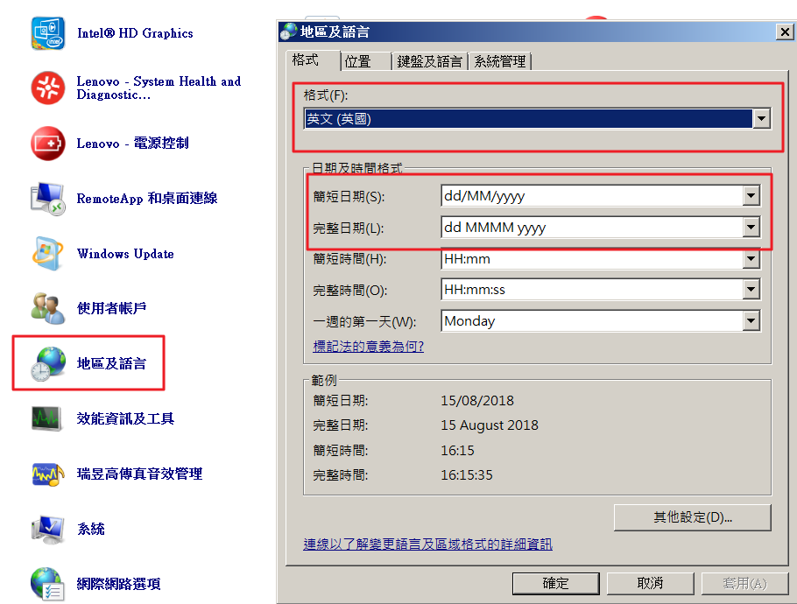
1. SRMS on Windows 10
a. Internet Options > Security > Set to lowest Security Level
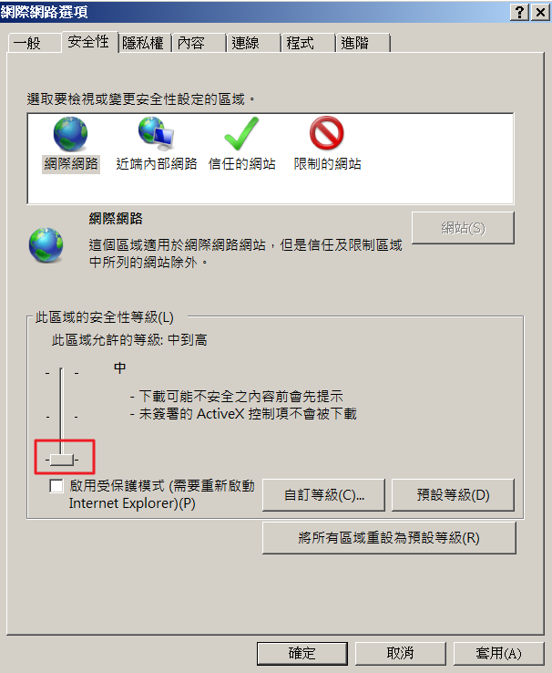

b. Compatibility View Settings > Add MRI IP

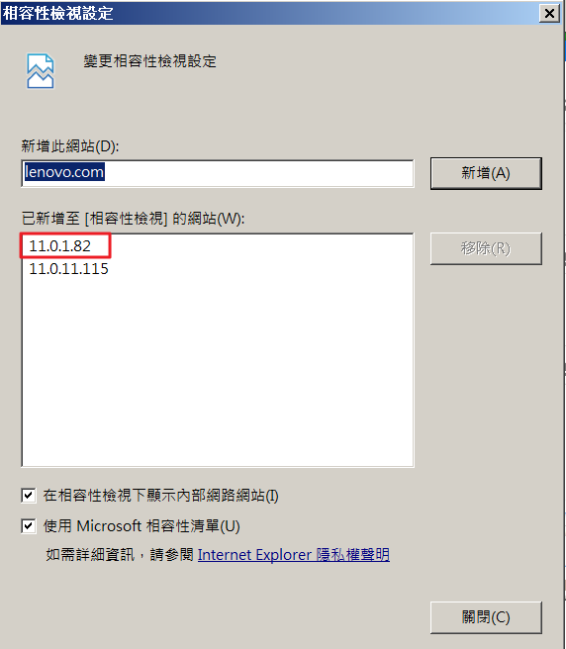

c. Date format problem – Go to Control Panel > Region > Set Format to English (United Kingdom)

PPS问题
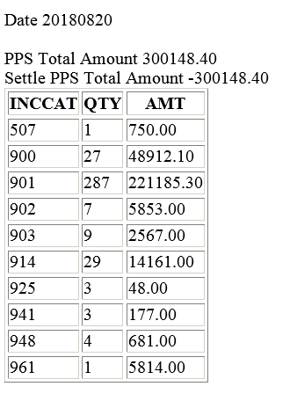
1. PPS Issues (Runs every night)
a. Check if PPS total amount and Settled amount are balanced next morning
b. Make sure settled amount are in different Income Cat.

c. If PPS job process failed, re-run ‘PPS settlement’ on SRMS
Solution 1
i. ID: i0001 | PW: mri
ii. Select ‘HOME’ site
iii. Click on ‘PRINT’ to re-run PPS settlement

 |  | Solution 2
i. If PPS Settlement Update does not work, execute below stored procedure manually
EXEC sp_SMS_PPSSETTLEUPD_SCH_XML

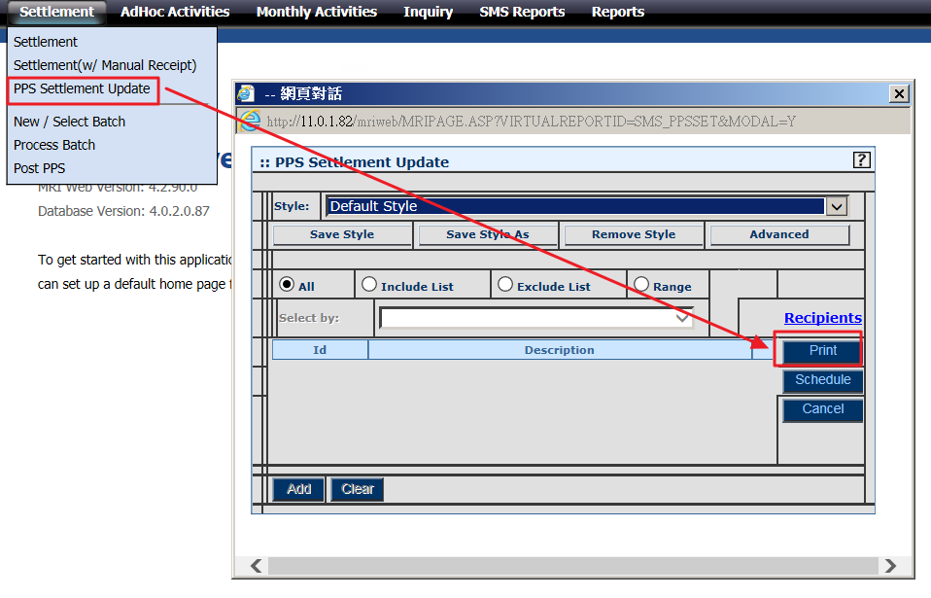
 |  | Solution 3
i. If stored procedure does not work, insert event xml manually to scheduler job
INSERT INTO [SCHEDULER_JOBS]
(
[USERID]
,[EVENTXML]
,[SUBMITED_BY]
,[SUBMITED_DATE]
,[STATUS]
)
VALUES
(
'I0001-HOIT',
--'<MRIEVENT><RECURRENCE FREQUENCY="SINGULAR"><DATE>25/3/2011</DATE><TIME>16:12</TIME></RECURRENCE><ACTIONS><ACTION><TYPE>REPORT</TYPE><REPORT>~STYLE=@~SELECTTABLE=CMLEDG~HELPIMG=:: PPS Settlement Update~STYLEDESC=Default Style~REPORTNAME=PPS Settlement Update~SUBJECT=~MESSAGE=~ATTACHFORMAT=~FIXEDSEL=~DISABLESELECTLIST=~DISABLESELECTTABLE=~SELECTTYPE=A~REPORTID=SMS_PPSSET~DESCFIELDCOL=~PROGRAM=MRIRW~</REPORT></ACTION></ACTIONS></MRIEVENT>', --17 Oct updated.
'<MRIEVENT><RECURRENCE FREQUENCY="SINGULAR"><DATE>25/3/2011</DATE><TIME>16:12</TIME></RECURRENCE><ACTIONS><ACTION><TYPE>REPORT</TYPE><REPORT>~STYLE=@~SELECTTABLE=CMLEDG~HELPIMG=:: PPS Settlement Update~STYLEDESC=Default Style~REPORTNAME=PPS Settlement Update~SUBJECT=~MESSAGE=~ATTACHFORMAT=~FIXEDSEL=~DISABLESELECTLIST=~DISABLESELECTTABLE=~SELECTTYPE=A~REPORTID=SMS_PPSSET4~DESCFIELDCOL=~PROGRAM=MRIRW~</REPORT></ACTION></ACTIONS></MRIEVENT>',
'PPS_Settle_Update',
GETDATE(),
'N'
)

AutoPay问题
1. Autopay Issues (Runs every month on 29th)
a. Check if all sites have autopay batch and APC files created
b. If autopay file is missing, manual encrypt process needs to be done
i. Manual generate APC file on SRMS
ii. Move all APC file to folder (\\11.0.1.80\temp\autopay\[period]\HSBC)
iii. Copy [copy_to_one_file.bat] to 1st folder
Open file with notepad
Edit the combined file name
Copy*.APC | autp1808.txt /b /y
Run .bat to combine all autopay charges to one file
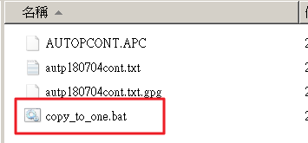
iv. GPG encryption process
1. Remote to 11.0.1.83 (administrator/admin@itd)
2. Copy the combined file from 11.0.1.80 (MRI DB) to 11.0.1.83 SMRIPPS D:\HSBC\IN
3. Launch command prompt
4. Go to D:\MRI\script folder, type ‘encrypt.bat autp[XXXXXX].txt
5. Copy encrypted file from D:\HSBC\out folder to 11.0.1.80\temp\autopay\yyyymm\hsbc\1st
6. Send manual generated GPG file to finance for bank submission

2. Autopay Reject Issues (For I.O. Sites)
a. I.O. sites require password to unzip the reject file and send to site by email
b. Change bank file from .EX_ to .EXE
c. Run EXE file and input password to extract file
d. Remove .DAT extension from extracted file
e. Copy file to autopay reject folder
f. Send path to site to process autopay reject

IE设置
1. 将SRMS网站设置为兼容模式启动
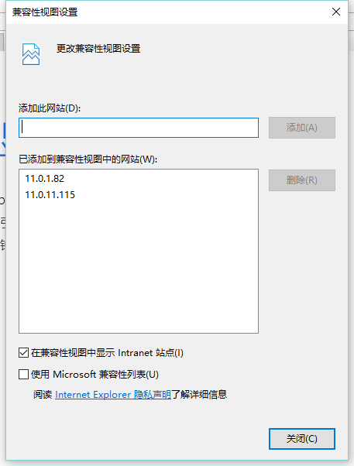

2. 将SRMS加入受信任的网站

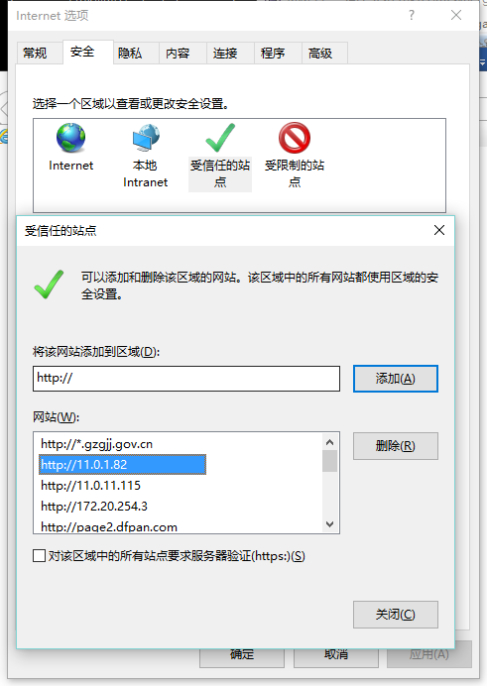

3. 信任网站安全改为低
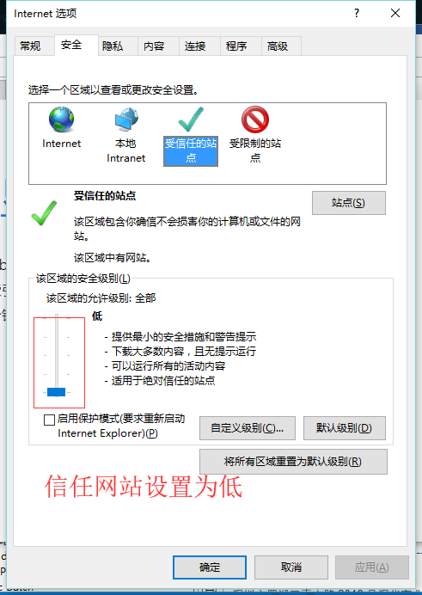

4.设置完成后重启IE

禁止瀏覽器使用系統日期格式
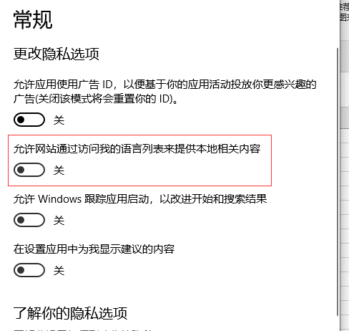
Windows設置》隱私

取消允許網站通過訪問我的語言列表來提供本地相關內容

